Directions
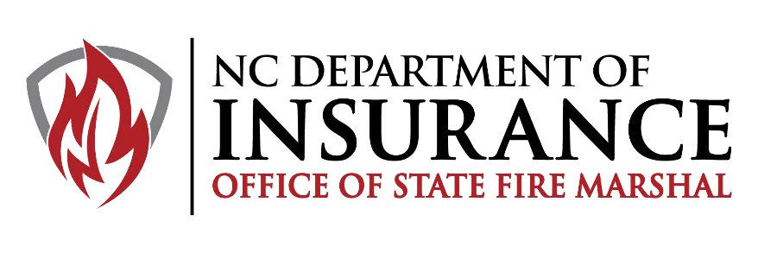
Edition 2021-2
OVERVIEW This program was developed to serve as a platform for the minimum basic skills that have been internationally recognized. This program can be designed and scheduled, by the Authority Having Jurisdiction, to meet the ISO Recruit Training requirements (See Example on last page). Departments are still required to provide complete training records to include class topics, participants and hours of instruction completed. The confirmation of completion will not be used for the verification of training hours. The following academic components make up the Volunteer Firefighter Program: • Volunteer Firefighter Skills • National Incident Management System (NIMS); ICS100, 200, 700 and 800 https://training.fema.gov/nims/ The Volunteer Firefighter curriculum includes practical skills development. Completion of the practical skills is demonstrated by completion of the enclosed Skill Task Book. Skill achievement is validated by a signature of a NC Instructor, a Training Officer, or a Fire Chief. Students who meet all combined objectives receive a Confirmation of Completion – Volunteer Firefighter from the Authority Having Jurisdication. NOTE: This program DOES NOT, in any way, gives credit towards the Firefighter I and II certification program.

The following guidelines should be followed when pursuing the Volunteer Firefighter Program: RESPONSIBILITIES OF SPONSORING FIRE DEPARTMENT OR TRAINING CENTER A. Prior to Enrollment: 1. Confirm each student meets the training requirements of the AHJ 2. The NCOSFM strongly recommends that a physical that meets the requirements of NFPA 1582 be conducted. B. Prior to the Start of the Course: 1. Download the most current NCOSFM Volunteer FF Skills Book C. Upon Completion of the Course: 1. Ensure students have completed all training requirements of the Volunteer Firefighter Program 2. Submit the following to the Authority Having Jurisdiction: • Completed Volunteer Firefighter Skill Task Book 3. Sponsoring Fire Department or Training Center shall retain copies of the following documents: • Copy of the awarded Confirmation of Completion - Volunteer Firefighter • Copy of completed Volunteer Firefighter Skill Task Book • Copy of NIMS training (ICS100, 200, 700, and 800) D. As a Reminder – any training that may involve a live fire component should meet the requirements of NFPA 1403 and the North Carolina Fire and Rescue Commission policies and procedures (200.14)

